Sheet1
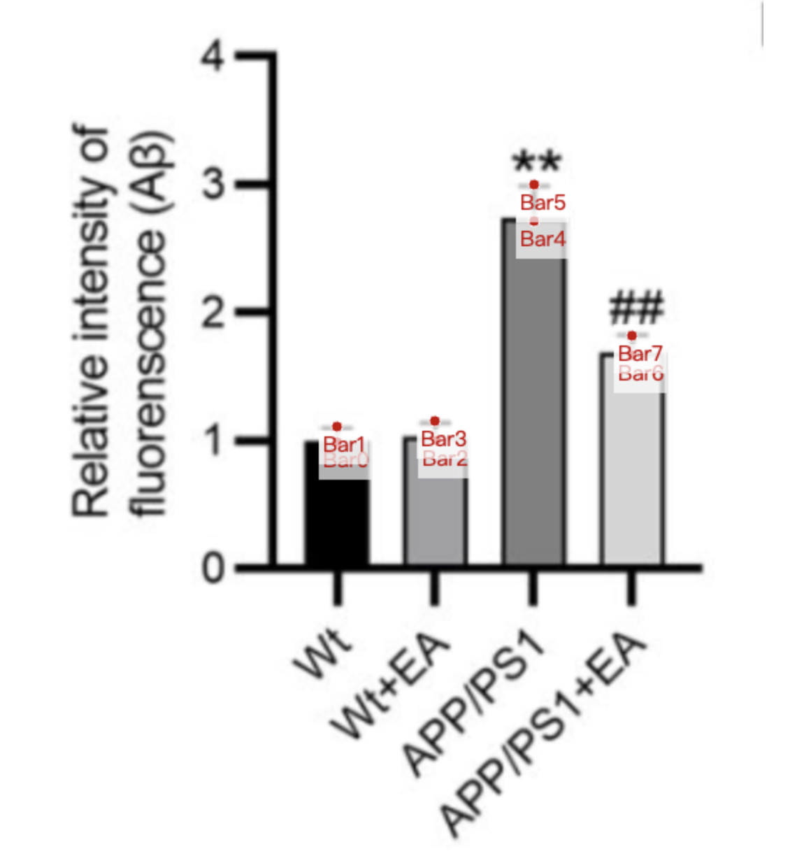
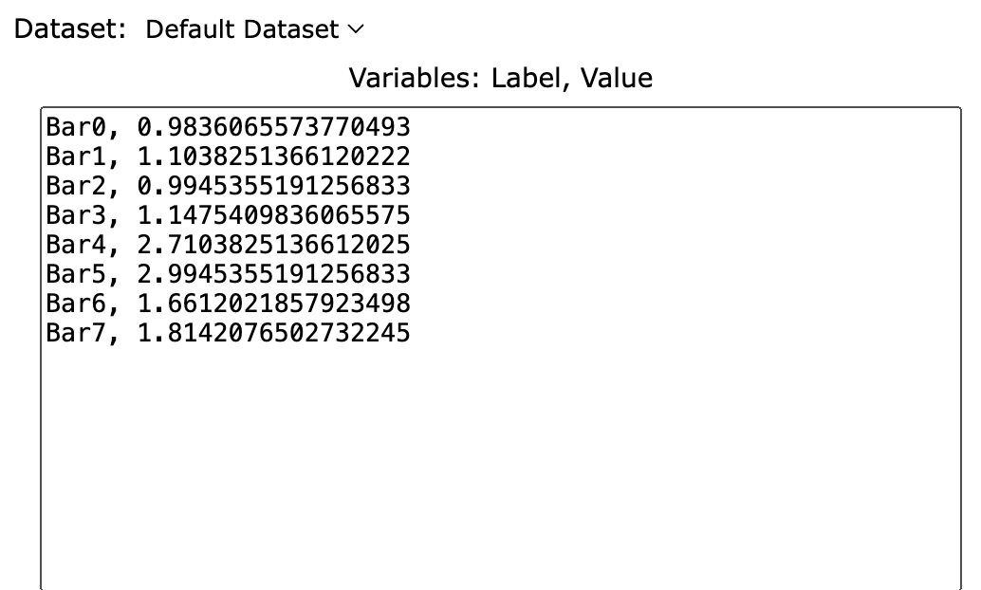
Treatment Groups | Wt_Ab_protein_intensity | Wt+EA_Ab_protein_intensity | APP_Ab_protein_intensity | APP+EA_Ab_protein_intensity
mean | 0.98360655738 | 0.99453551913 | 2.7103825137 | 1.6612021858
sd | 0.1202185792 | 0.1530054645 | 0.2841530055 | 0.1530054645
mean+sd | 1.1038251366 | 1.1475409836 | 2.9945355191 | 1.8142076503

